Arm 1
Arm 1
Potentiometer | Position | Position Reference Diagram | DH Parameter | DH Parameter Value (cm or rad) | Potentiometer Reading
Horizontal | Position 1 | 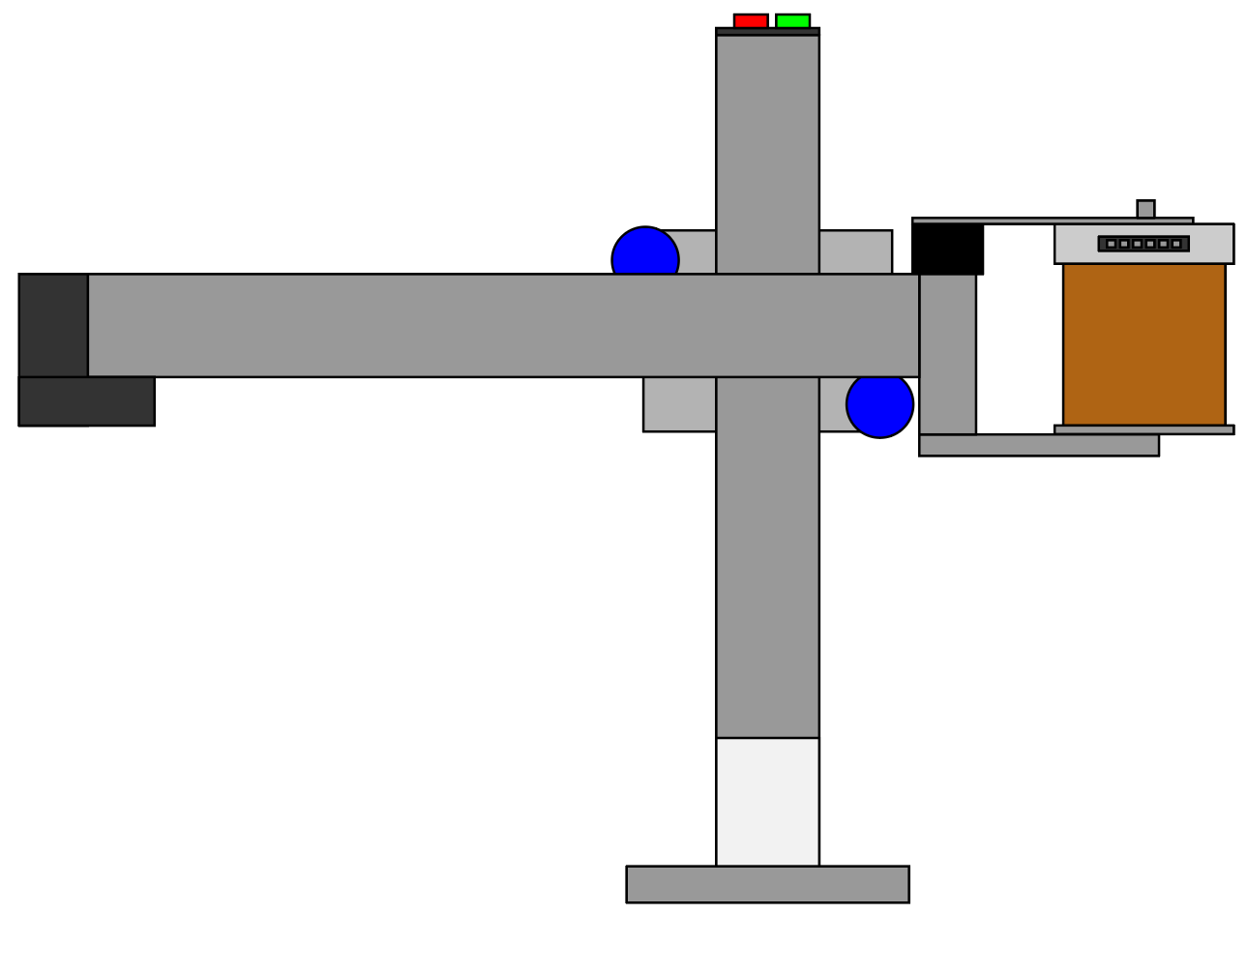 | d3* min

 | Position 2 | 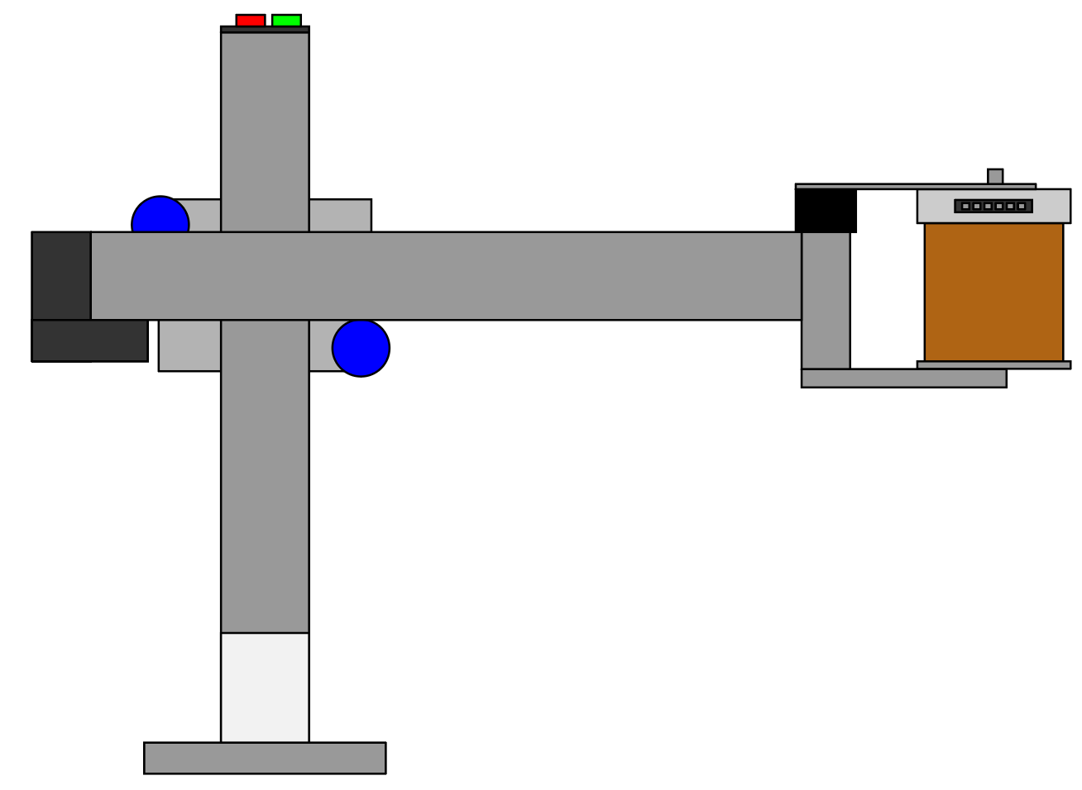 | d3* max

Wrist | Position 1 | 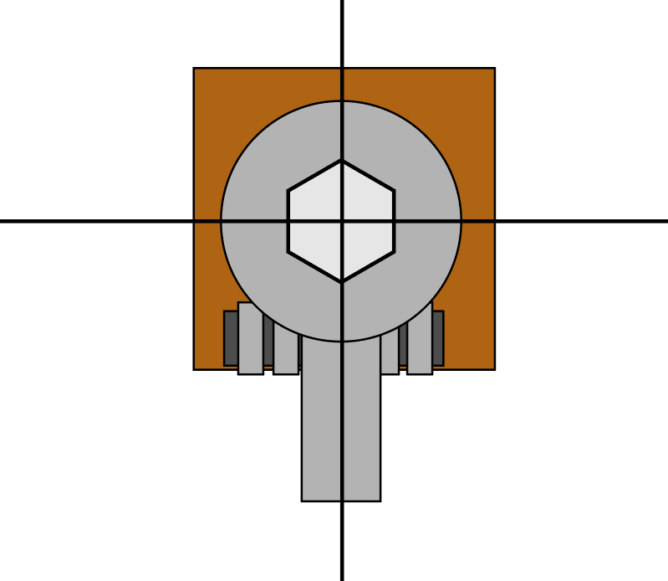 | Θ4* | -π/2

 | Position 2 | 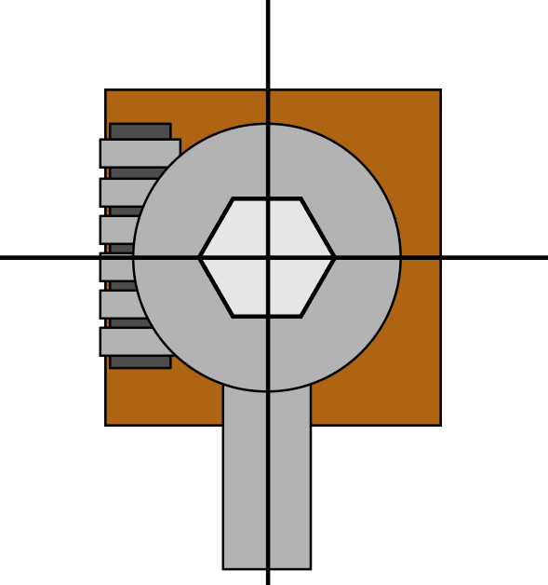 | Θ4* | π

Base | Position 1 | 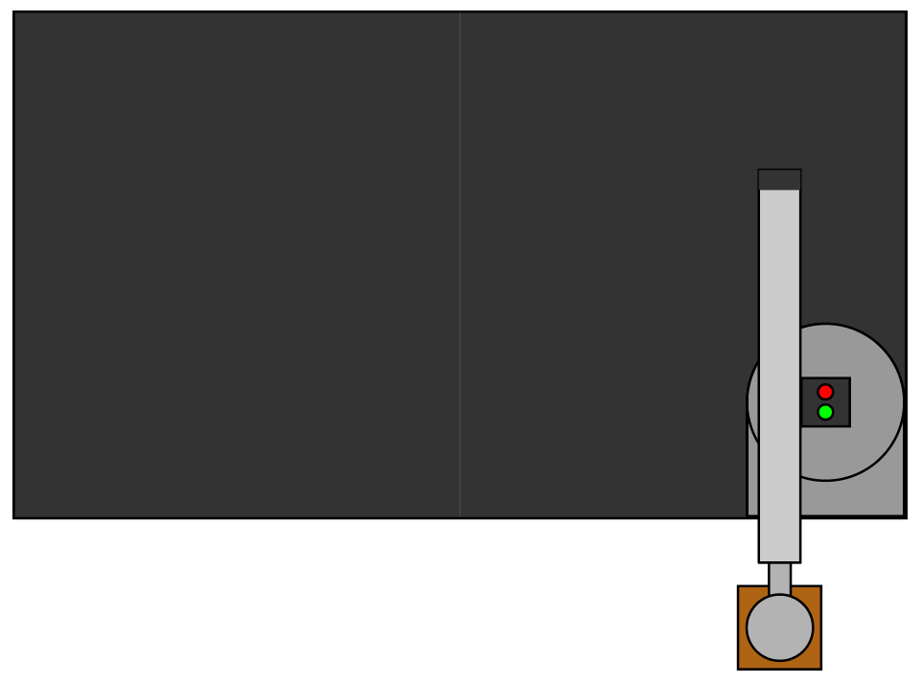 | Θ1* | -π/2

 | Position 2 | 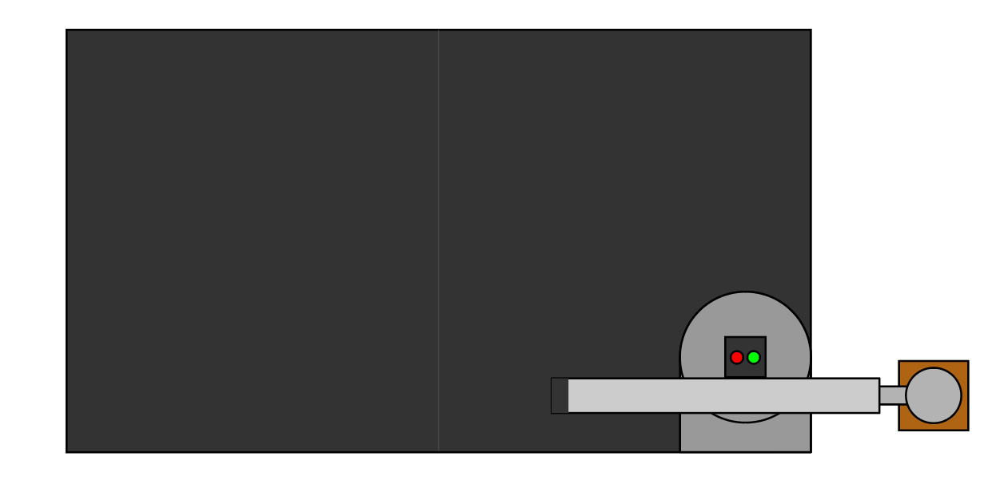 | Θ1* | π
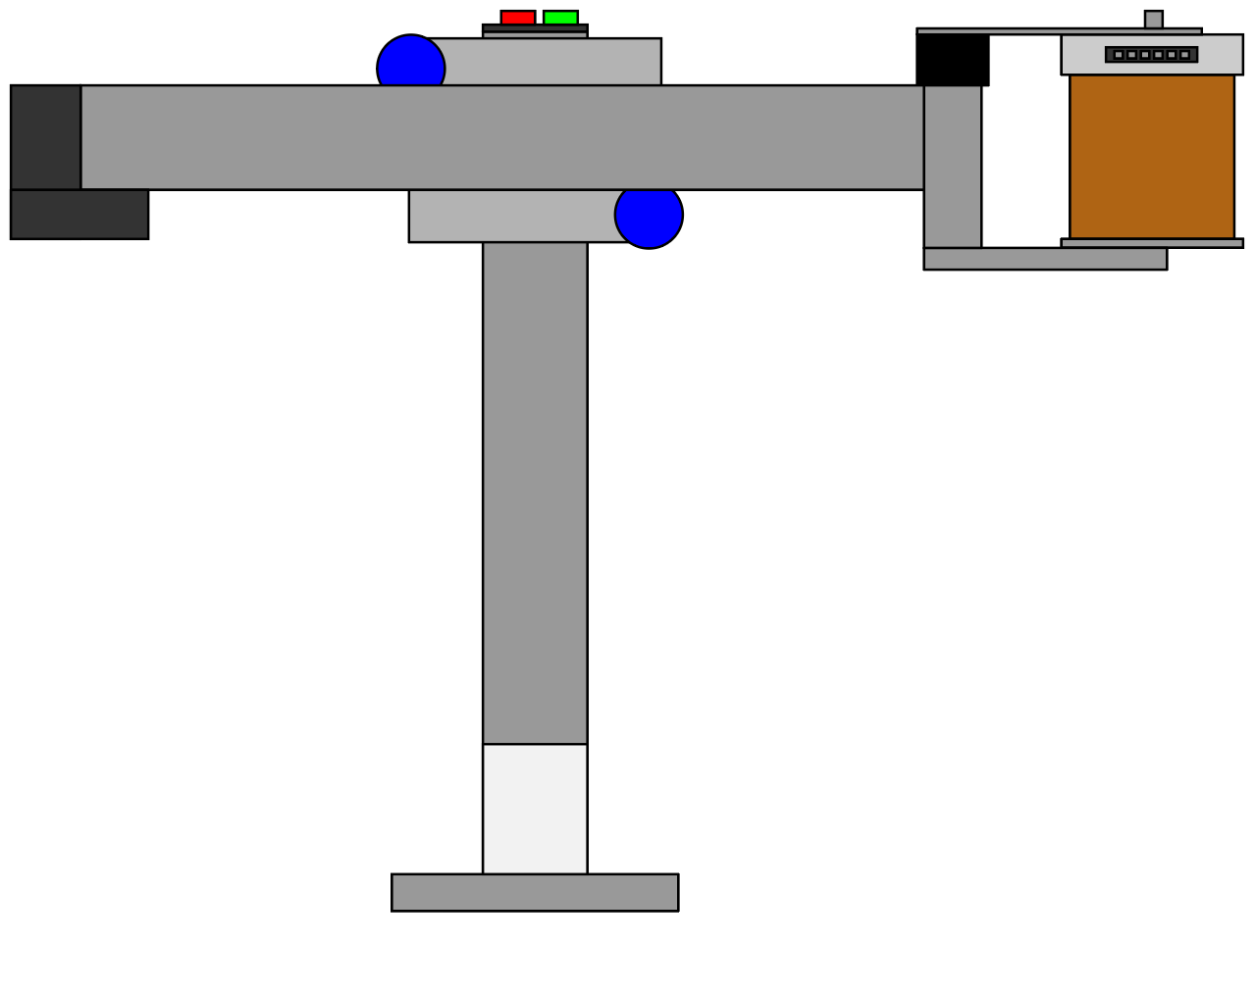
Vertical | Position 1 |  | d2* min
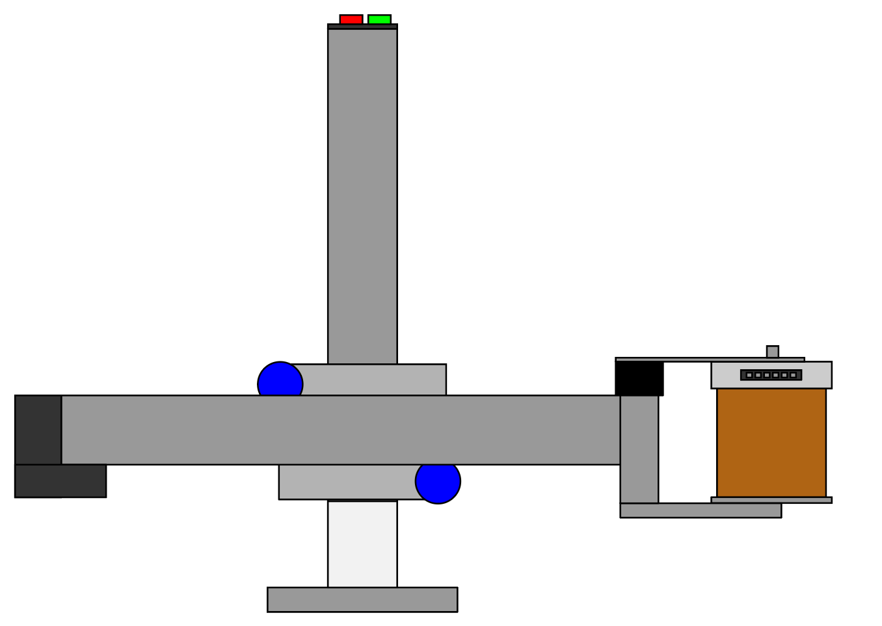
 | Position 2 |  | d2* max

Arm 2
Arm 2
Potentiometer | Position | Position Reference Diagram | DH Parameter | DH Parameter Value (cm or rad) | Potentiometer Reading
Horizontal | Position 1 |  | d3* min

 | Position 2 |  | d3* max

Wrist | Position 1 |  | Θ4* | -π/2

 | Position 2 |  | Θ4* | π

Base | Position 1 |  | Θ1* | -π

 | 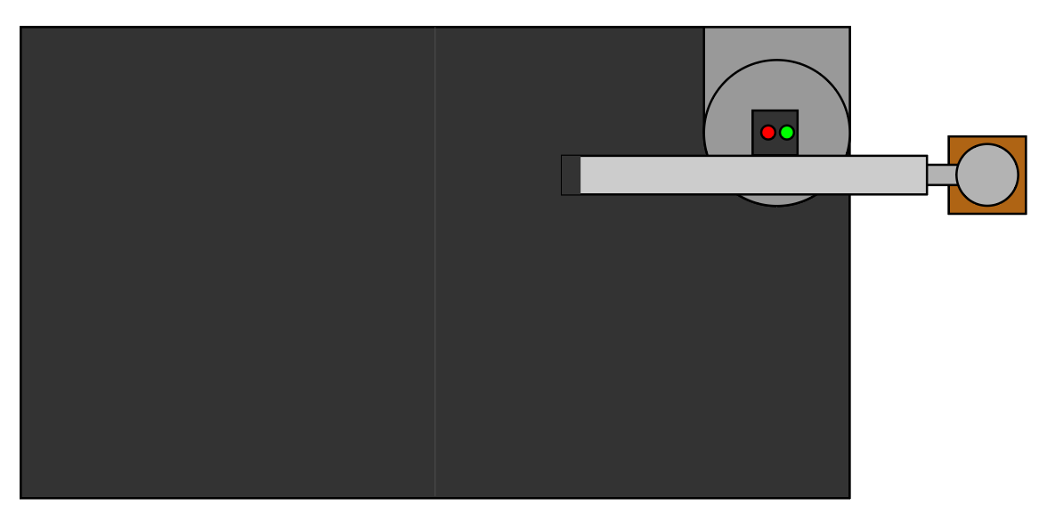 Position 2 |  | Θ1* | π/2

Vertical | Position 1 |  | d2* min

 | Position 2 |  | d2* max

Arm 3
Arm 3
Potentiometer | Position | Position Reference Diagram | DH Parameter | DH Parameter Value (cm or rad) | Potentiometer Reading
Horizontal | Position 1 |  | d3* min

 | Position 2 |  | d3* max

Wrist | Position 1 |  | Θ4* | -π/2

 | Position 2 |  | Θ4* | π

Base | Position 1 | 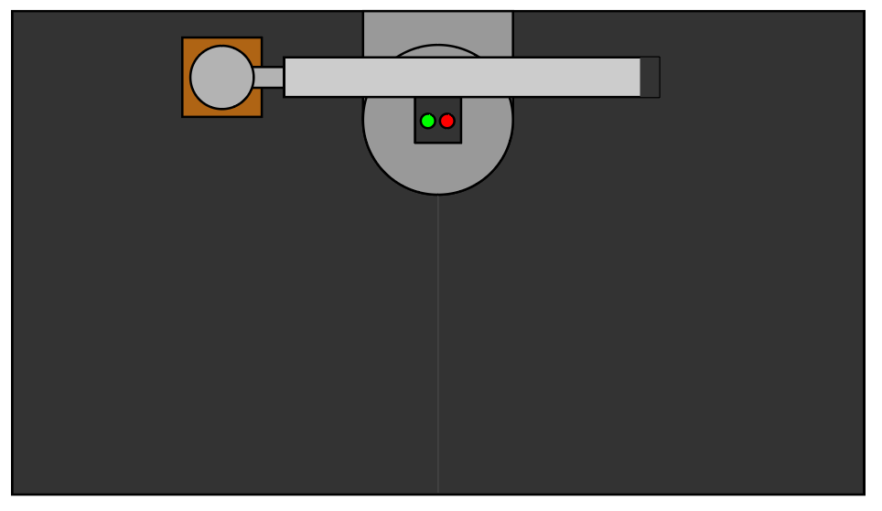 | Θ1* | -π/2

 | Position 2 | 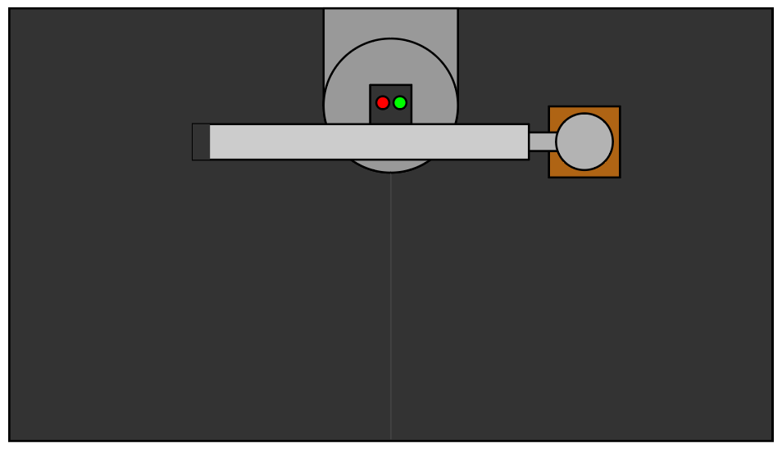 | Θ1* | π/2

Vertical | Position 1 |  | d2* min

 | Position 2 |  | d2* max

Arm 4
Arm 4
Potentiometer | Position | Position Reference Diagram | DH Parameter | DH Parameter Value (cm or rad) | Potentiometer Reading
Horizontal | Position 1 |  | d3* min

 | Position 2 |  | d3* max

Wrist | Position 1 |  | Θ4* | -π/2

 | Position 2 |  | Θ4* | π

Base | Position 1 | 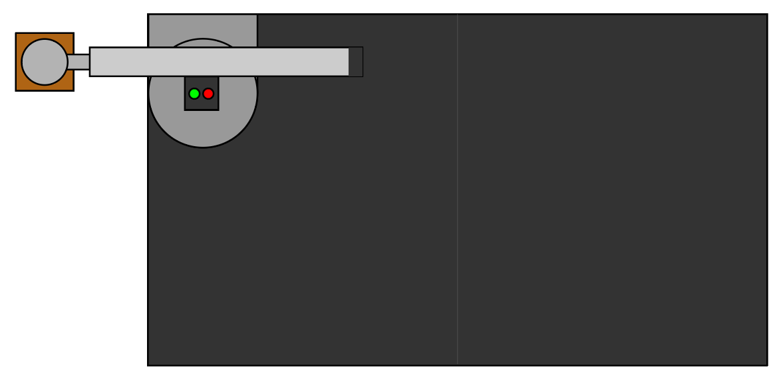 | Θ1* | -π/2

 | Position 2 | 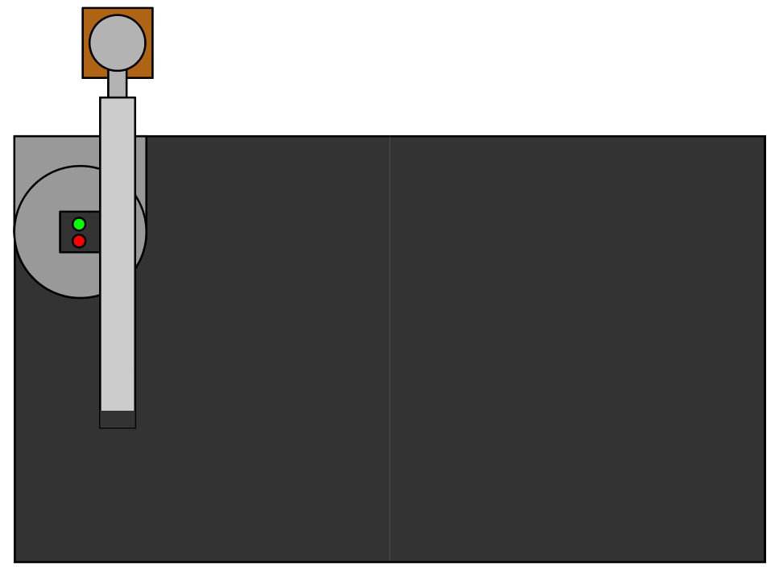 | Θ1* | π

Vertical | Position 1 |  | d2* min

 | Position 2 |  | d2* max

Arm 5
Arm 5
Potentiometer | Position | Position Reference Diagram | DH Parameter | DH Parameter Value (cm or rad) | Potentiometer Reading
Horizontal | Position 1 |  | d3* min

 | Position 2 |  | d3* max

Wrist | Position 1 |  | Θ4* | -π/2

 | Position 2 |  | Θ4* | π

Base | Position 1 |  | Θ1* | -π

 | Position 2 | 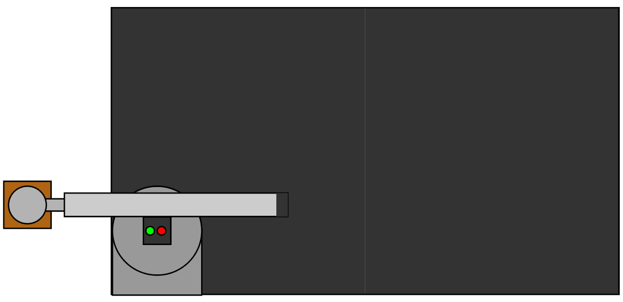 | Θ1* | π/2

Vertical | Position 1 |  | d2* min

 | Position 2 |  | d2* max

